Pivot Table
Creating a basic Pivot Table (إنشاء جدول محوري أساسي) | Performing multiple calculations on the same field (تنفيذ عدة عمليات حسابية على نفس الحقل) | Segmentation to Columns and Rows (تقسيم البيانات إلى أعمدة وصفوف) |  |  | Segmentation of more than one field (تقسيم أكثر من حقل واحد)

Total Orders by Week Day
Total Quantity Per Pizza Size
 |  |  | Row Labels | Count of order_id (رقم الطلب) |  | Row Labels | Sum of quantity (الكمية)
 |  |  | 1 | 77 |  | L | 202
 |  |  | 2 | 72 |  | M | 142
 |  |  | 3 | 66 |  | S | 156
 |  |  | 4 | 72 |  | XL | 11
 |  |  | 5 | 48
Total Orders per Quarter
 |  |  | 6 | 73 |  |  |  |  |  | Row Labels | Count of order_id (رقم الطلب)
 |  |  | 7 | 91 |  |  |  |  |  | Qtr1 | 95
 |  |  |  |  |  |  |  |  |  | Qtr2 | 135
 |  |  |  |  |  |  |  |  |  | Qtr3 | 145
 |  |  |  | Row Labels | Count of order_id (رقم الطلب) |  |  |  |  | Qtr4 | 124
 |  |  |  | 11 AM | 26
 |  |  |  | 12 PM | 55
 |  |  |  | 1 PM | 56
 |  |  |  | 2 PM | 40
 |  |  |  | 3 PM | 34 |  |  | Row Labels | Sum of Total Sales
 |  |  |  | 4 PM | 41 |  |  | Wednesday | 853
Total Sales per Day
 |  |  |  | 5 PM | 72 |  |  | Monday | 1,137
 |  |  |  | 6 PM | 55 |  |  | Sunday | 1,180
 |  |  |  | 7 PM | 51 |  |  | Thursday | 1,227
 |  |  |  | 8 PM | 27 |  |  | Tuesday | 1,229 |  |  | Sum of Total Sales
 |  |  |  | 9 PM | 27 |  |  | Saturday | 1,275 |  |  | 8,436
 |  |  |  | 10 PM | 13 |  |  | Friday | 1,535
 |  |  |  | 11 PM | 2 |  |  | Grand Total | 8,436

Grouping Data (تجميع البيانات) |  |  |  | Pivot Table Calculated Fields (الحقول المحسوبة في الجدول المحوري)

Dashboard
Pizza Sales Dashboard
Total Sales
$8,436
Total Orders by Week Day
 | Total
1 | 77
2 | 72
3 | 66
4 | 72
5 | 48
6 | 73
7 | 91
Total Quantity Per Pizza Size
 | Total
L | 202
M | 142
S | 156
XL | 11
Total Orders per Quarter
 | Total
Qtr1 | 95
Qtr2 | 135
Qtr3 | 145
Qtr4 | 124

Order Trend by Hours
 | Total
11 AM | 26
12 PM | 55
1 PM | 56
2 PM | 40
3 PM | 34
4 PM | 41
5 PM | 72
6 PM | 55
7 PM | 51
8 PM | 27
9 PM | 27
10 PM | 13
11 PM | 2
Total Sales per Day
 | Total
Wednesday | 853
Monday | 1,137
Sunday | 1,180
Thursday | 1,227
Tuesday | 1,229
Saturday | 1,275
Friday | 1,535

Pivot Charts
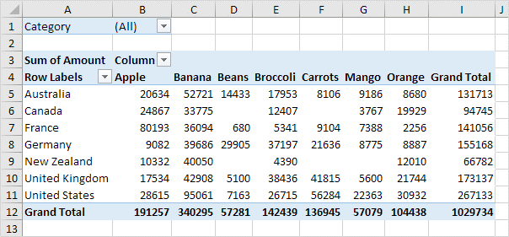

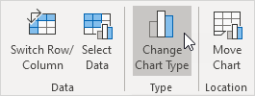

Macros
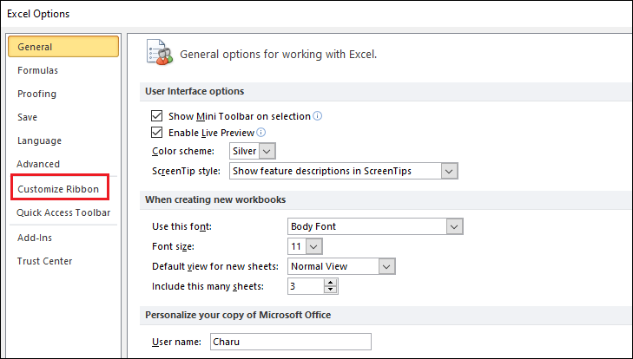
الماكرو في Excel هو أداة بتسمحلك تسجل سلسلة من الأوامر والإجراءات وتنفذها تلقائيًا فيما بعد بنقرة واحدة. الماكرو بيكون مفيد جدًا في حالة تكرار نفس المهام بشكل يومي أو دوري، لأنه بيوفر وقت وجهد كبير.

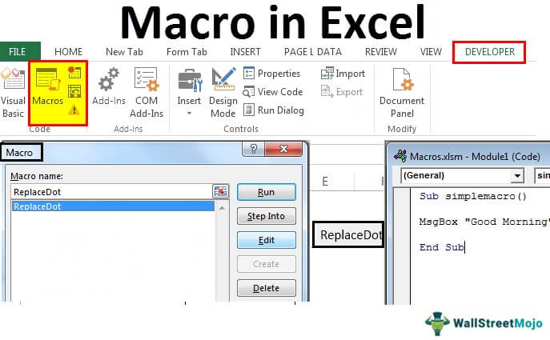
لتفعيل الماكرو في Excel، هتحتاج تتبع بعض الخطوات البسيطة:

1. إظهار التبويب "Developer":

الماكرو في Excel مربوط بالتبويب "Developer"، واللي مش بيكون ظاهر بشكل افتراضي. عشان تفعله:
اضغط على "File" في الشريط العلوي.
اختار "Options".
في نافذة Excel Options، اختار "Customize Ribbon".
هتلاقي في الجهة اليمين خانة اسمها "Main Tabs"، دور فيها على "Developer" وفعّلها بوضع علامة صح جنبها.
اضغط "OK" وهتلاقي التبويب "Developer" ظهر في الشريط العلوي.

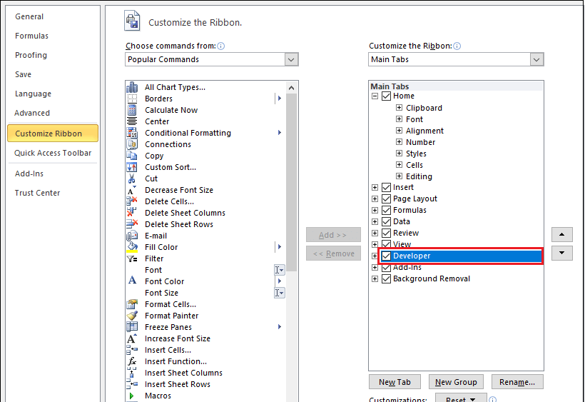
2. تسجيل ماكرو:

من التبويب "Developer"، اضغط على "Record Macro".
هيظهر لك نافذة تطلب منك تسمية الماكرو وتحديد مكان تخزينه، إما في هذا الملف فقط (This Workbook) أو في كل الملفات الجديدة (Personal Macro Workbook).
بعد ما تسميه وتحدد المكان، اضغط "OK".
دلوقتي أي خطوة بتعملها في Excel هتتسجل كجزء من الماكرو.

3. تشغيل الماكرو:

بعد ما تخلص تسجيل الماكرو، تقدر تشغله في أي وقت.
من التبويب "Developer"، اضغط على "Macros".
هتظهر لك نافذة فيها كل الماكروز المسجلة.
اختار الماكرو اللي عايز تشغله واضغط "Run".

4. تمكين إعدادات الماكرو:

لو فتحت ملف Excel يحتوي على ماكروز وكان الماكرو غير مفعل، هتحتاج تمكين الماكرو.
هيظهر لك شريط أصفر تحت الشريط العلوي بيقولك "Macros have been disabled".
اضغط على "Enable Content" لتفعيل الماكرو.

دلوقتي الماكرو مفعل عندك وتقدر تستخدمه لتسجيل وتنفيذ العمليات المتكررة بكل سهولة في Excel.

